Dickies
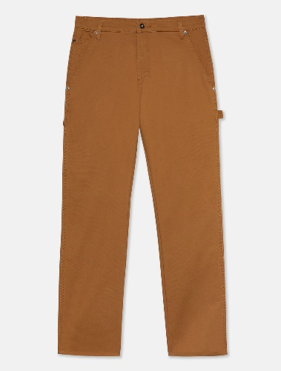
 |  |  |  |  |  |  | 10,075 |  | 756,382.00 €
Product name | Style Code | Pic | EAN | Color_Size | Size | Color | Qty | Unit RTL € | Tot RTL €
Hosen DUCK CARPENTER TROUSERS | DK0A4XSLBD01 |  | 0193391919638 | BROWN DUCK / 30x30 | 30x30 | BROWN DUCK | 36 | 75 | 2,700.00 €
Hosen DUCK CARPENTER TROUSERS | DK0A4XSLBD01 |  | 0889440245000 | BROWN DUCK / 30x32 | 30x32 | BROWN DUCK | 112 | 75 | 8,400.00 €
Hosen DUCK CARPENTER TROUSERS | DK0A4XSLBD01 |  | 0193391919911 | BROWN DUCK / 32x30 | 32x30 | BROWN DUCK | 35 | 75 | 2,625.00 €
Hosen DUCK CARPENTER TROUSERS | DK0A4XSLBD01 |  | 0889440245024 | BROWN DUCK / 32x32 | 32x32 | BROWN DUCK | 157 | 75 | 11,775.00 €
Hosen DUCK CARPENTER TROUSERS | DK0A4XSLBD01 |  | 0193391922980 | BROWN DUCK / 32x34 | 32x34 | BROWN DUCK | 1 | 75 | 75.00 €
Hosen DUCK CARPENTER TROUSERS | DK0A4XSLBD01 |  | 0193391919959 | BROWN DUCK / 34x30 | 34x30 | BROWN DUCK | 28 | 75 | 2,100.00 €
Hosen DUCK CARPENTER TROUSERS | DK0A4XSLBD01 |  | 0889440245055 | BROWN DUCK / 34x32 | 34x32 | BROWN DUCK | 162 | 75 | 12,150.00 €
Hosen DUCK CARPENTER TROUSERS | DK0A4XSLBD01 |  | 0193391923338 | BROWN DUCK / 34x34 | 34x34 | BROWN DUCK | 36 | 75 | 2,700.00 €
Hosen DUCK CARPENTER TROUSERS | DK0A4XSLBD01 |  | 0889440245086 | BROWN DUCK / 36x32 | 36x32 | BROWN DUCK | 164 | 75 | 12,300.00 €
Hosen DUCK CARPENTER TROUSERS | DK0A4XSLBD01 |  | 0889440245116 | BROWN DUCK / 38x32 | 38x32 | BROWN DUCK | 142 | 75 | 10,650.00 €
Hosen DUCK CARPENTER TROUSERS | DK0A4XSLBD01 |  | 0889440245147 | BROWN DUCK / 40x32 | 40x32 | BROWN DUCK | 28 | 75 | 2,100.00 €
Hosen DUCK CARPENTER TROUSERS | DK0A4XSLBD01 |  | 0193391921426 | BROWN DUCK / 42x32 | 42x32 | BROWN DUCK | 0 | 75 | 0.00 €

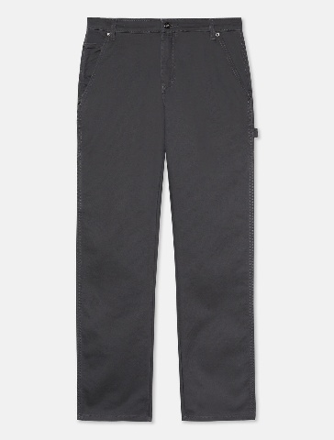
Hosen DUCK CARPENTER TROUSERS | DK0A4XSLC721 |  | 0889440245604 | STONE WASH GREY / 30x32 | 30x32 | STONE WASH GREY | 47 | 75 | 3,525.00 €
Hosen DUCK CARPENTER TROUSERS | DK0A4XSLC721 |  | 0193391919744 | STONE WASH GREY / 32x30 | 32x30 | STONE WASH GREY | 10 | 75 | 750.00 €
Hosen DUCK CARPENTER TROUSERS | DK0A4XSLC721 |  | 0889440245628 | STONE WASH GREY / 32x32 | 32x32 | STONE WASH GREY | 45 | 75 | 3,375.00 €
Hosen DUCK CARPENTER TROUSERS | DK0A4XSLC721 |  | 0193391923024 | STONE WASH GREY / 32x34 | 32x34 | STONE WASH GREY | 0 | 75 | 0.00 €
Hosen DUCK CARPENTER TROUSERS | DK0A4XSLC721 |  | 0193391920337 | STONE WASH GREY / 34x30 | 34x30 | STONE WASH GREY | 7 | 75 | 525.00 €
Hosen DUCK CARPENTER TROUSERS | DK0A4XSLC721 |  | 0889440245659 | STONE WASH GREY / 34x32 | 34x32 | STONE WASH GREY | 74 | 75 | 5,550.00 €
Hosen DUCK CARPENTER TROUSERS | DK0A4XSLC721 |  | 0193391923376 | STONE WASH GREY / 34x34 | 34x34 | STONE WASH GREY | 9 | 75 | 675.00 €
Hosen DUCK CARPENTER TROUSERS | DK0A4XSLC721 |  | 0193391920627 | STONE WASH GREY / 36x30 | 36x30 | STONE WASH GREY | 9 | 75 | 675.00 €
Hosen DUCK CARPENTER TROUSERS | DK0A4XSLC721 |  | 0889440245680 | STONE WASH GREY / 36x32 | 36x32 | STONE WASH GREY | 83 | 75 | 6,225.00 €
Hosen DUCK CARPENTER TROUSERS | DK0A4XSLC721 |  | 0193391923529 | STONE WASH GREY / 36x34 | 36x34 | STONE WASH GREY | 1 | 75 | 75.00 €
Hosen DUCK CARPENTER TROUSERS | DK0A4XSLC721 |  | 0889440245710 | STONE WASH GREY / 38x32 | 38x32 | STONE WASH GREY | 68 | 75 | 5,100.00 €
Hosen DUCK CARPENTER TROUSERS | DK0A4XSLC721 |  | 0889440245741 | STONE WASH GREY / 40x32 | 40x32 | STONE WASH GREY | 41 | 75 | 3,075.00 €
Hosen DUCK CARPENTER TROUSERS | DK0A4XSLC721 |  | 0193391922294 | STONE WASH GREY / 42x32 | 42x32 | STONE WASH GREY | 23 | 75 | 1,725.00 €

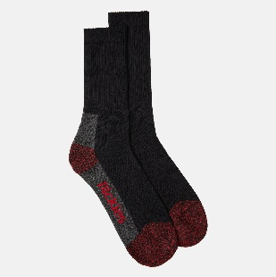
Socken CUSHION CREW SOCKS | DK0A4XS9BLK1 |  | 5420018129091 | Schwarz / 43-46 | 43-46 | Schwarz | 99 | 19 | 1,881.00 €
Socken CUSHION CREW SOCKS | DK0A4XS9BLK1 |  | 0193391907765 | Schwarz / 39-42 | 39-42 | Schwarz | 258 | 19 | 4,902.00 €

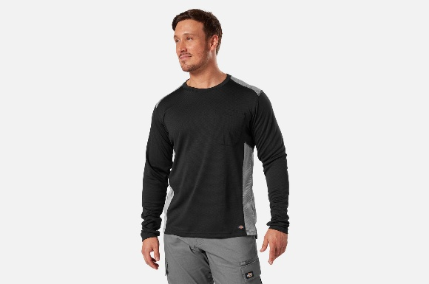
T-Shirt L/S PERFORMANCE TEMP IQ365 TEE | DK0A4XSED231 |  | 0196013351939 | Knit Black / L | L | Knit Black | 15 | 49 | 735.00 €
T-Shirt L/S PERFORMANCE TEMP IQ365 TEE | DK0A4XSED231 |  | 0196013351779 | Knit Black / M | M | Knit Black | 2 | 49 | 98.00 €
T-Shirt L/S PERFORMANCE TEMP IQ365 TEE | DK0A4XSED231 |  | 0196013352110 | Knit Black / XL | XL | Knit Black | 19 | 49 | 931.00 €
T-Shirt L/S PERFORMANCE TEMP IQ365 TEE | DK0A4XSED231 |  | 0196013352240 | Knit Black / XXL | XXL | Knit Black | 14 | 49 | 686.00 €

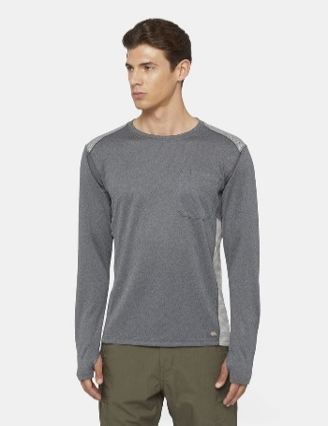
T-Shirt L/S PERFORMANCE TEMP IQ365 TEE | DK0A4XSEDH01 |  | 0196012301768 | Dark Heather / L | L | Dark Heather | 18 | 49 | 882.00 €
T-Shirt L/S PERFORMANCE TEMP IQ365 TEE | DK0A4XSEDH01 |  | 0196012301478 | Dark Heather / M | M | Dark Heather | 4 | 49 | 196.00 €
T-Shirt L/S PERFORMANCE TEMP IQ365 TEE | DK0A4XSEDH01 |  | 0196012302109 | Dark Heather / XL | XL | Dark Heather | 20 | 49 | 980.00 €
T-Shirt L/S PERFORMANCE TEMP IQ365 TEE | DK0A4XSEDH01 |  | 0196012303212 | Dark Heather / XXL | XXL | Dark Heather | 17 | 49 | 833.00 €

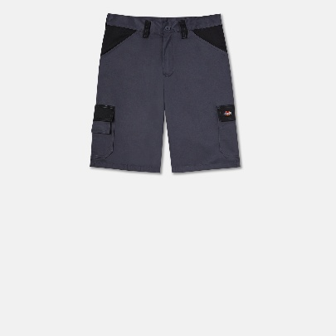
Shorts EVERYDAY SHORTS | DK0A4XSGC661 |  | 5053823176624 | Grey/Black / 28 | 28 | Grey/Black | 36 | 29 | 1,044.00 €
Shorts EVERYDAY SHORTS | DK0A4XSGC661 |  | 5053823176631 | Grey/Black / 30 | 30 | Grey/Black | 19 | 29 | 551.00 €
Shorts EVERYDAY SHORTS | DK0A4XSGC661 |  | 5053823180607 | Grey/Black / 33 | 33 | Grey/Black | 66 | 29 | 1,914.00 €
Shorts EVERYDAY SHORTS | DK0A4XSGC661 |  | 5053823176655 | Grey/Black / 34 | 34 | Grey/Black | 111 | 29 | 3,219.00 €
Shorts EVERYDAY SHORTS | DK0A4XSGC661 |  | 5053823176662 | Grey/Black / 36 | 36 | Grey/Black | 35 | 29 | 1,015.00 €
Shorts EVERYDAY SHORTS | DK0A4XSGC661 |  | 5053823176679 | Grey/Black / 38 | 38 | Grey/Black | 6 | 29 | 174.00 €
Shorts EVERYDAY SHORTS | DK0A4XSGC661 |  | 5053823176686 | Grey/Black / 40 | 40 | Grey/Black | 27 | 29 | 783.00 €
Shorts EVERYDAY SHORTS | DK0A4XSGC661 |  | 5053823176693 | Grey/Black / 42 | 42 | Grey/Black | 29 | 29 | 841.00 €

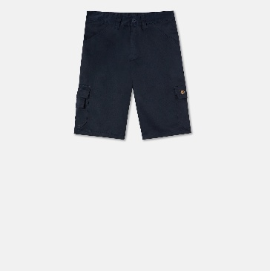
Shorts EVERYDAY SHORTS | DK0A4XSGNV01 |  | 5053823192327 | Navy / 28 | 28 | Navy | 18 | 29 | 522.00 €

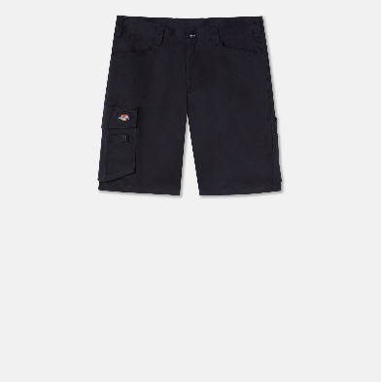
Shorts LEAD IN FLEX SHORTS | DK0A4XSHBLK1 |  | 5053823461454 | Black / 30 | 30 | Black | 22 | 29 | 638.00 €
Shorts LEAD IN FLEX SHORTS | DK0A4XSHBLK1 |  | 5053823461461 | Black / 32 | 32 | Black | 47 | 29 | 1,363.00 €
Shorts LEAD IN FLEX SHORTS | DK0A4XSHBLK1 |  | 5053823462086 | Black / 33 | 33 | Black | 0 | 29 | 0.00 €
Shorts LEAD IN FLEX SHORTS | DK0A4XSHBLK1 |  | 5053823461478 | Black / 34 | 34 | Black | 28 | 29 | 812.00 €
Shorts LEAD IN FLEX SHORTS | DK0A4XSHBLK1 |  | 5053823461492 | Black / 38 | 38 | Black | 17 | 29 | 493.00 €
Shorts LEAD IN FLEX SHORTS | DK0A4XSHBLK1 |  | 5053823461508 | Black / 40 | 40 | Black | 3 | 29 | 87.00 €
Shorts LEAD IN FLEX SHORTS | DK0A4XSHBLK1 |  | 5053823461515 | Black / 42 | 42 | Black | 0 | 29 | 0.00 €

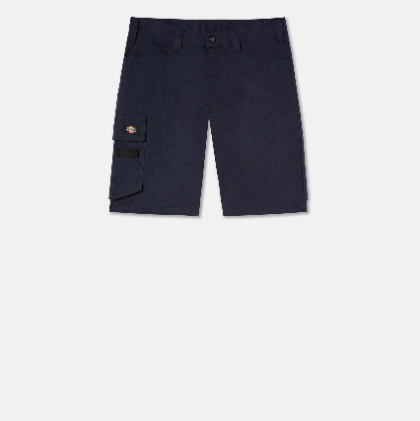
Shorts LEAD IN FLEX SHORTS | DK0A4XSHNV01 |  | 5053823461652 | Navy / 30 | 30 | Navy | 35 | 29 | 1,015.00 €
Shorts LEAD IN FLEX SHORTS | DK0A4XSHNV01 |  | 5053823461669 | Navy / 32 | 32 | Navy | 78 | 29 | 2,262.00 €
Shorts LEAD IN FLEX SHORTS | DK0A4XSHNV01 |  | 5053823462130 | Navy / 33 | 33 | Navy | 29 | 29 | 841.00 €
Shorts LEAD IN FLEX SHORTS | DK0A4XSHNV01 |  | 5053823461676 | Navy / 34 | 34 | Navy | 76 | 29 | 2,204.00 €
Shorts LEAD IN FLEX SHORTS | DK0A4XSHNV01 |  | 5053823461683 | Navy / 36 | 36 | Navy | 39 | 29 | 1,131.00 €
Shorts LEAD IN FLEX SHORTS | DK0A4XSHNV01 |  | 5053823461706 | Navy / 40 | 40 | Navy | 39 | 29 | 1,131.00 €
Shorts LEAD IN FLEX SHORTS | DK0A4XSHNV01 |  | 5053823461713 | Navy / 42 | 42 | Navy | 18 | 29 | 522.00 €
Shorts LEAD IN FLEX SHORTS | DK0A4XSHNV01 |  | 0196011048367 | Navy / 44 | 44 | Navy | 0 | 29 | 0.00 €

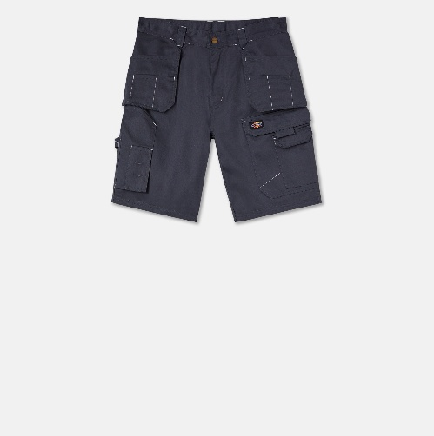
Shorts REDHAWK PRO SHORTS | DK0A4XSIGYX1 |  | 5053823212544 | Grey / 28 | 28 | Grey | 10 | 40 | 400.00 €
Shorts REDHAWK PRO SHORTS | DK0A4XSIGYX1 |  | 5053823169176 | Grey / 30 | 30 | Grey | 27 | 40 | 1,080.00 €
Shorts REDHAWK PRO SHORTS | DK0A4XSIGYX1 |  | 5053823169183 | Grey / 32 | 32 | Grey | 36 | 40 | 1,440.00 €
Shorts REDHAWK PRO SHORTS | DK0A4XSIGYX1 |  | 5053823169206 | Grey / 34 | 34 | Grey | 55 | 40 | 2,200.00 €
Shorts REDHAWK PRO SHORTS | DK0A4XSIGYX1 |  | 5053823169213 | Grey / 36 | 36 | Grey | 0 | 40 | 0.00 €
Shorts REDHAWK PRO SHORTS | DK0A4XSIGYX1 |  | 5053823169220 | Grey / 38 | 38 | Grey | 37 | 40 | 1,480.00 €
Shorts REDHAWK PRO SHORTS | DK0A4XSIGYX1 |  | 5053823169237 | Grey / 40 | 40 | Grey | 17 | 40 | 680.00 €
Shorts REDHAWK PRO SHORTS | DK0A4XSIGYX1 |  | 5053823169244 | Grey / 42 | 42 | Grey | 9 | 40 | 360.00 €

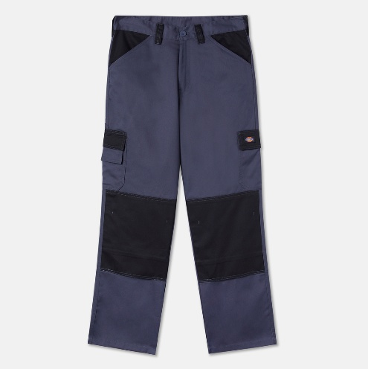
Hosen EVERYDAY TROUSERS | DK0A4XSNC661 |  | 5053823083762 | Grey/Black / 30x30 | 30x30 | Grey/Black | 0 | 35 | 0.00 €
Hosen EVERYDAY TROUSERS | DK0A4XSNC661 |  | 5053823083779 | Grey/Black / 32x30 | 32x30 | Grey/Black | 0 | 35 | 0.00 €
Hosen EVERYDAY TROUSERS | DK0A4XSNC661 |  | 5053823083052 | Grey/Black / 32x32 | 32x32 | Grey/Black | 103 | 35 | 3,605.00 €
Hosen EVERYDAY TROUSERS | DK0A4XSNC661 |  | 5053823083069 | Grey/Black / 33x32 | 33x32 | Grey/Black | 109 | 35 | 3,815.00 €
Hosen EVERYDAY TROUSERS | DK0A4XSNC661 |  | 5053823083076 | Grey/Black / 34x32 | 34x32 | Grey/Black | 124 | 35 | 4,340.00 €
Hosen EVERYDAY TROUSERS | DK0A4XSNC661 |  | 5053823083809 | Grey/Black / 36x30 | 36x30 | Grey/Black | 1 | 35 | 35.00 €
Hosen EVERYDAY TROUSERS | DK0A4XSNC661 |  | 5053823083083 | Grey/Black / 36x32 | 36x32 | Grey/Black | 149 | 35 | 5,215.00 €
Hosen EVERYDAY TROUSERS | DK0A4XSNC661 |  | 5053823083090 | Grey/Black / 38x32 | 38x32 | Grey/Black | 70 | 35 | 2,450.00 €
Hosen EVERYDAY TROUSERS | DK0A4XSNC661 |  | 5053823083106 | Grey/Black / 40x32 | 40x32 | Grey/Black | 18 | 35 | 630.00 €

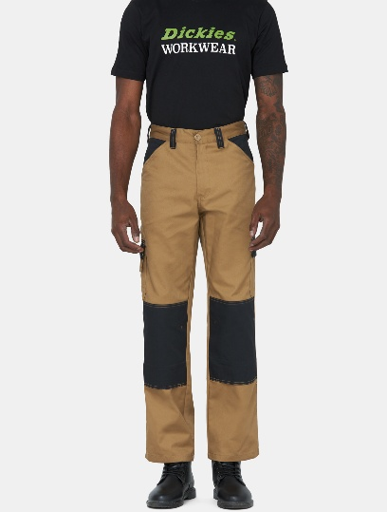
Hosen EVERYDAY TROUSERS | DK0A4XSNC671 |  | 5053823083151 | Khaki/Black / 28x32 | 28x32 | Khaki/Black | 25 | 35 | 875.00 €
Hosen EVERYDAY TROUSERS | DK0A4XSNC671 |  | 5053823083168 | Khaki/Black / 30x32 | 30x32 | Khaki/Black | 61 | 35 | 2,135.00 €
Hosen EVERYDAY TROUSERS | DK0A4XSNC671 |  | 5053823083175 | Khaki/Black / 32x32 | 32x32 | Khaki/Black | 0 | 35 | 0.00 €
Hosen EVERYDAY TROUSERS | DK0A4XSNC671 |  | 5053823083182 | Khaki/Black / 33x32 | 33x32 | Khaki/Black | 0 | 35 | 0.00 €
Hosen EVERYDAY TROUSERS | DK0A4XSNC671 |  | 5053823083199 | Khaki/Black / 34x32 | 34x32 | Khaki/Black | 0 | 35 | 0.00 €
Hosen EVERYDAY TROUSERS | DK0A4XSNC671 |  | 5053823083205 | Khaki/Black / 36x32 | 36x32 | Khaki/Black | 0 | 35 | 0.00 €
Hosen EVERYDAY TROUSERS | DK0A4XSNC671 |  | 5053823083212 | Khaki/Black / 38x32 | 38x32 | Khaki/Black | 0 | 35 | 0.00 €

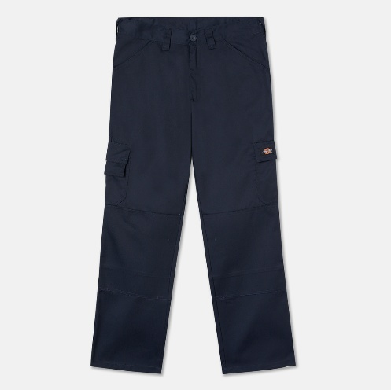
Hosen EVERYDAY TROUSERS | DK0A4XSNNV01 |  | 5053823132101 | Navy / 26x32 | 26x32 | Navy | 9 | 35 | 315.00 €
Hosen EVERYDAY TROUSERS | DK0A4XSNNV01 |  | 5053823132118 | Navy / 28x32 | 28x32 | Navy | 26 | 35 | 910.00 €
Hosen EVERYDAY TROUSERS | DK0A4XSNNV01 |  | 5053823132132 | Navy / 32x32 | 32x32 | Navy | 63 | 35 | 2,205.00 €
Hosen EVERYDAY TROUSERS | DK0A4XSNNV01 |  | 5053823132156 | Navy / 34x32 | 34x32 | Navy | 8 | 35 | 280.00 €
Hosen EVERYDAY TROUSERS | DK0A4XSNNV01 |  | 5053823132163 | Navy / 36x32 | 36x32 | Navy | 41 | 35 | 1,435.00 €
Hosen EVERYDAY TROUSERS | DK0A4XSNNV01 |  | 5053823132170 | Navy / 38x32 | 38x32 | Navy | 0 | 35 | 0.00 €
Hosen EVERYDAY TROUSERS | DK0A4XSNNV01 |  | 5053823132187 | Navy / 40x32 | 40x32 | Navy | 9 | 35 | 315.00 €
Hosen EVERYDAY TROUSERS | DK0A4XSNNV01 |  | 5053823132194 | Navy / 42x32 | 42x32 | Navy | 0 | 35 | 0.00 €

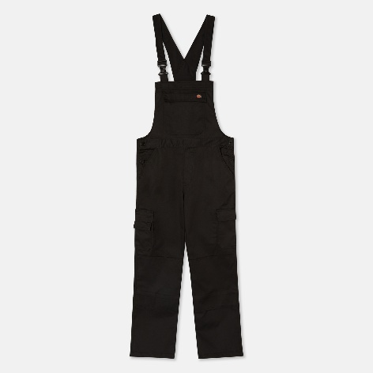
Bib EVERYDAY B&B | DK0A4XT2BLK1 |  | 5053823465803 | Black / XXXL | XXXL | Black | 0 | 60 | 0.00 €
Bib EVERYDAY B&B | DK0A4XT2BLK1 |  | 5053823465773 | Black / L | L | Black | 33 | 60 | 1,980.00 €
Bib EVERYDAY B&B | DK0A4XT2BLK1 |  | 5053823465766 | Black / M | M | Black | 75 | 60 | 4,500.00 €
Bib EVERYDAY B&B | DK0A4XT2BLK1 |  | 5053823465759 | Black / S | S | Black | 0 | 60 | 0.00 €
Bib EVERYDAY B&B | DK0A4XT2BLK1 |  | 5053823465780 | Black / XL | XL | Black | 1 | 60 | 60.00 €
Bib EVERYDAY B&B | DK0A4XT2BLK1 |  | 5053823465797 | Black / XXL | XXL | Black | 0 | 60 | 0.00 €

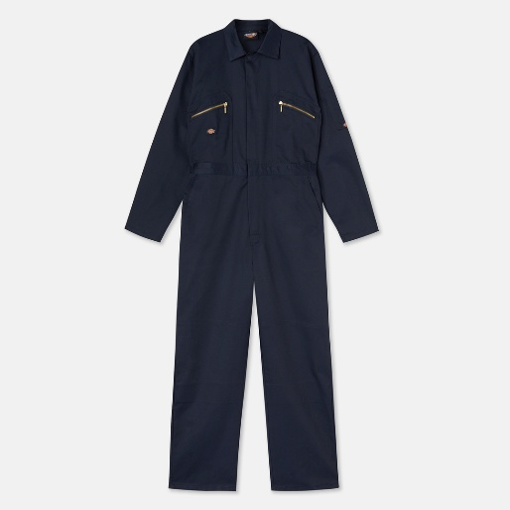
 |  |  |  |  |  |  |  |  | 0.00 €
Coverall REDHAWK COVERALL | DK0A4XT4NV01 |  | 5053823466336 | Navy / L | L | Navy | 0 | 60 | 0.00 €
Coverall REDHAWK COVERALL | DK0A4XT4NV01 |  | 5053823466329 | Navy / M | M | Navy | 0 | 60 | 0.00 €
Coverall REDHAWK COVERALL | DK0A4XT4NV01 |  | 5053823466312 | Navy / S | S | Navy | 0 | 60 | 0.00 €
Coverall REDHAWK COVERALL | DK0A4XT4NV01 |  | 5053823466343 | Navy / XL | XL | Navy | 1 | 60 | 60.00 €
Coverall REDHAWK COVERALL | DK0A4XT4NV01 |  | 5053823466350 | Navy / XXL | XXL | Navy | 1 | 60 | 60.00 €

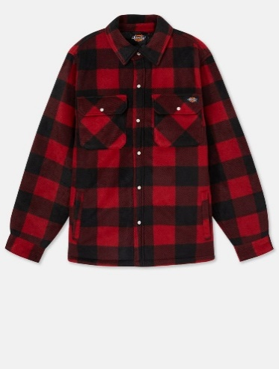
Hemden PORTLAND SHIRT | DK0A4XTARDX1 |  | 5025540443495 | Red / 3XL | 3XL | Red | 0 | 69 | 0.00 €
Hemden PORTLAND SHIRT | DK0A4XTARDX1 |  | 5059129200124 | Red / L | L | Red | 722 | 69 | 49,818.00 €
Hemden PORTLAND SHIRT | DK0A4XTARDX1 |  | 5059129200117 | Red / M | M | Red | 765 | 69 | 52,785.00 €
Hemden PORTLAND SHIRT | DK0A4XTARDX1 |  | 5059129200100 | Red / S | S | Red | 355 | 69 | 24,495.00 €
Hemden PORTLAND SHIRT | DK0A4XTARDX1 |  | 5059129200131 | Red / XL | XL | Red | 440 | 69 | 30,360.00 €
Hemden PORTLAND SHIRT | DK0A4XTARDX1 |  | 5059129200148 | Red / XXL | XXL | Red | 124 | 69 | 8,556.00 €

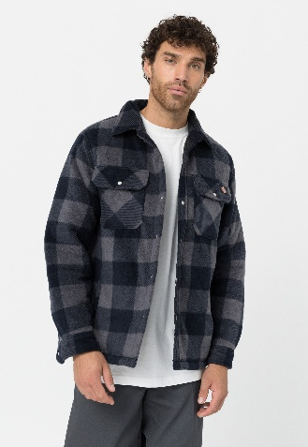
Hemden PORTLAND SHIRT | DK0A4XTABL81 |  | 5059129200025 | Blue / L | L | Blue | 443 | 69 | 30,567.00 €
Hemden PORTLAND SHIRT | DK0A4XTABL81 |  | 5059129200018 | Blue / M | M | Blue | 475 | 69 | 32,775.00 €
Hemden PORTLAND SHIRT | DK0A4XTABL81 |  | 5059129200001 | Blue / S | S | Blue | 250 | 69 | 17,250.00 €
Hemden PORTLAND SHIRT | DK0A4XTABL81 |  | 5059129200032 | Blue / XL | XL | Blue | 106 | 69 | 7,314.00 €

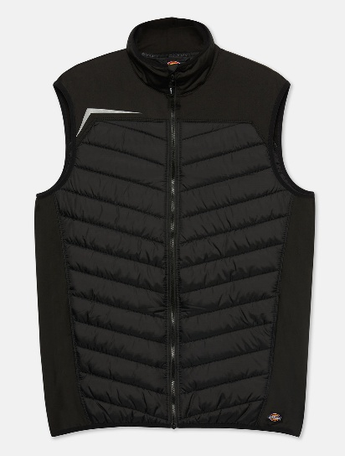
Jacken GEN HYBRID B/W | DK0A4XTDBLK1 |  | 5053823465292 | Black / L | L | Black | 83 | 89 | 7,387.00 €
Jacken GEN HYBRID B/W | DK0A4XTDBLK1 |  | 5053823465285 | Black / M | M | Black | 83 | 89 | 7,387.00 €
Jacken GEN HYBRID B/W | DK0A4XTDBLK1 |  | 5053823465308 | Black / XL | XL | Black | 35 | 89 | 3,115.00 €
Jacken GEN HYBRID B/W | DK0A4XTDBLK1 |  | 5053823465315 | Black / XXL | XXL | Black | 21 | 89 | 1,869.00 €

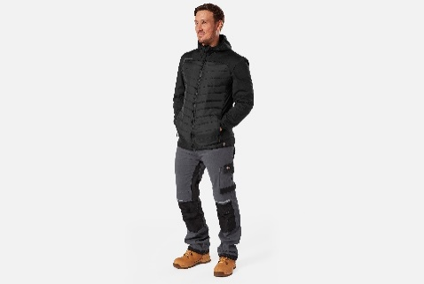
Jacken GEN HYBRID JACKET | DK0A4XTEBLK1 |  | 5053823465353 | Black / L | L | Black | 33 | 99 | 3,267.00 €
Jacken GEN HYBRID JACKET | DK0A4XTEBLK1 |  | 5053823465346 | Black / M | M | Black | 26 | 99 | 2,574.00 €
Jacken GEN HYBRID JACKET | DK0A4XTEBLK1 |  | 5053823465360 | Black / XL | XL | Black | 15 | 99 | 1,485.00 €
Jacken GEN HYBRID JACKET | DK0A4XTEBLK1 |  | 5053823465377 | Black / XXL | XXL | Black | 13 | 99 | 1,287.00 €

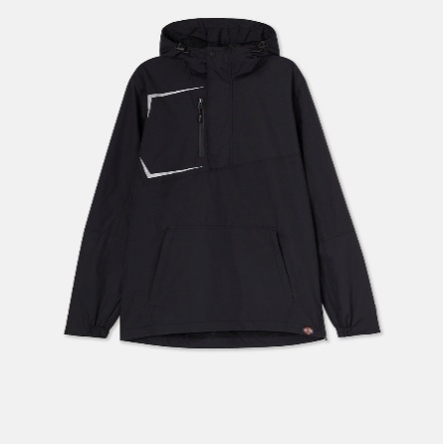
Jacken GENERATION O/H WATERPROOF JACKET | DK0A4XTFBLK1 |  | 5053823450359 | Black / 3XL | 3XL | Black | 12 | 109 | 1,308.00 €
Jacken GENERATION O/H WATERPROOF JACKET | DK0A4XTFBLK1 |  | 5053823450328 | Black / L | L | Black | 33 | 109 | 3,597.00 €
Jacken GENERATION O/H WATERPROOF JACKET | DK0A4XTFBLK1 |  | 5053823450311 | Black / M | M | Black | 36 | 109 | 3,924.00 €
Jacken GENERATION O/H WATERPROOF JACKET | DK0A4XTFBLK1 |  | 5053823450335 | Black / XL | XL | Black | 36 | 109 | 3,924.00 €
Jacken GENERATION O/H WATERPROOF JACKET | DK0A4XTFBLK1 |  | 5053823450342 | Black / XXL | XXL | Black | 23 | 109 | 2,507.00 €

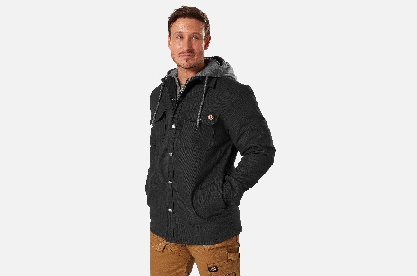
Jacken DUCK SHIRT JKT | DK0A4XTIBLK1 |  | 0196011048657 | Black / L | L | Black | 34 | 89 | 3,026.00 €
Jacken DUCK SHIRT JKT | DK0A4XTIBLK1 |  | 0196011048633 | Black / M | M | Black | 25 | 89 | 2,225.00 €
Jacken DUCK SHIRT JKT | DK0A4XTIBLK1 |  | 0196011048534 | Black / XL | XL | Black | 18 | 89 | 1,602.00 €

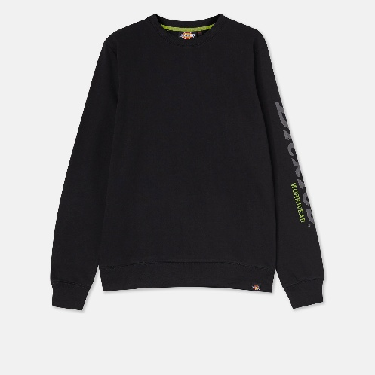
Sweatshirt OKEMO GRAPHIC SWEATSHIRT | DK0A4XTUBLK1 |  | 0193390999549 | Black / 3XL | 3XL | Black | 48 | 45 | 2,160.00 €
Sweatshirt OKEMO GRAPHIC SWEATSHIRT | DK0A4XTUBLK1 |  | 5053823461133 | Black / L | L | Black | 257 | 45 | 11,565.00 €
Sweatshirt OKEMO GRAPHIC SWEATSHIRT | DK0A4XTUBLK1 |  | 5053823461126 | Black / M | M | Black | 268 | 45 | 12,060.00 €
Sweatshirt OKEMO GRAPHIC SWEATSHIRT | DK0A4XTUBLK1 |  | 5053823461119 | Black / S | S | Black | 40 | 45 | 1,800.00 €
Sweatshirt OKEMO GRAPHIC SWEATSHIRT | DK0A4XTUBLK1 |  | 5053823461140 | Black / XL | XL | Black | 87 | 45 | 3,915.00 €
Sweatshirt OKEMO GRAPHIC SWEATSHIRT | DK0A4XTUBLK1 |  | 5053823461157 | Black / XXL | XXL | Black | 148 | 45 | 6,660.00 €

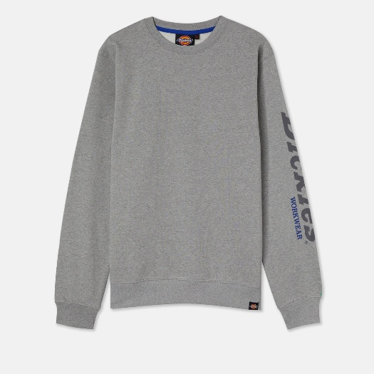
Sweatshirt OKEMO GRAPHIC SWEATSHIRT | DK0A4XTUGYM1 |  | 0193391900315 | Grey Melange / 3XL | 3XL | Grey Melange | 13 | 45 | 585.00 €
Sweatshirt OKEMO GRAPHIC SWEATSHIRT | DK0A4XTUGYM1 |  | 5053823461195 | Grey Melange / L | L | Grey Melange | 70 | 45 | 3,150.00 €
Sweatshirt OKEMO GRAPHIC SWEATSHIRT | DK0A4XTUGYM1 |  | 5053823461188 | Grey Melange / M | M | Grey Melange | 73 | 45 | 3,285.00 €
Sweatshirt OKEMO GRAPHIC SWEATSHIRT | DK0A4XTUGYM1 |  | 5053823461201 | Grey Melange / XL | XL | Grey Melange | 69 | 45 | 3,105.00 €
Sweatshirt OKEMO GRAPHIC SWEATSHIRT | DK0A4XTUGYM1 |  | 5053823461218 | Grey Melange / XXL | XXL | Grey Melange | 19 | 45 | 855.00 €

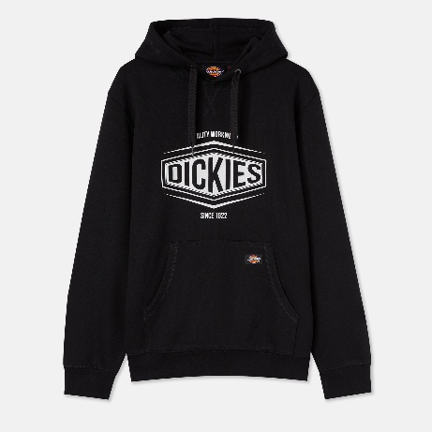
Sweatshirt ROCKFIELD HOODIE | DK0A4XTWBLK1 |  | 5053823342555 | Black / L | L | Black | 54 | 65 | 3,510.00 €
Sweatshirt ROCKFIELD HOODIE | DK0A4XTWBLK1 |  | 5053823342548 | Black / M | M | Black | 73 | 65 | 4,745.00 €
Sweatshirt ROCKFIELD HOODIE | DK0A4XTWBLK1 |  | 5053823342562 | Black / XL | XL | Black | 0 | 65 | 0.00 €

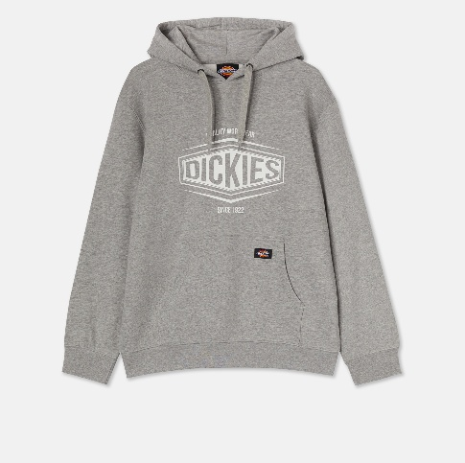
Sweatshirt ROCKFIELD HOODIE | DK0A4XTWGYM1 |  | 5053823342630 | Grey Melange / 3XL | 3XL | Grey Melange | 0 | 65 | 0.00 €
Sweatshirt ROCKFIELD HOODIE | DK0A4XTWGYM1 |  | 5053823342609 | Grey Melange / L | L | Grey Melange | 111 | 65 | 7,215.00 €
Sweatshirt ROCKFIELD HOODIE | DK0A4XTWGYM1 |  | 5053823342593 | Grey Melange / M | M | Grey Melange | 115 | 65 | 7,475.00 €
Sweatshirt ROCKFIELD HOODIE | DK0A4XTWGYM1 |  | 5053823463298 | Grey Melange / S | S | Grey Melange | 15 | 65 | 975.00 €
Sweatshirt ROCKFIELD HOODIE | DK0A4XTWGYM1 |  | 5053823342616 | Grey Melange / XL | XL | Grey Melange | 61 | 65 | 3,965.00 €
Sweatshirt ROCKFIELD HOODIE | DK0A4XTWGYM1 |  | 5053823342623 | Grey Melange / XXL | XXL | Grey Melange | 3 | 65 | 195.00 €


Sweatshirt TOWSON GRAPH HOODIE | DK0A4XTZBLK1 |  | 5053823465537 | Black / L | L | Black | 113 | 65 | 7,345.00 €
Sweatshirt TOWSON GRAPH HOODIE | DK0A4XTZBLK1 |  | 5053823465520 | Black / M | M | Black | 118 | 65 | 7,670.00 €
Sweatshirt TOWSON GRAPH HOODIE | DK0A4XTZBLK1 |  | 5053823465513 | Black / S | S | Black | 58 | 65 | 3,770.00 €
Sweatshirt TOWSON GRAPH HOODIE | DK0A4XTZBLK1 |  | 5053823465544 | Black / XL | XL | Black | 37 | 65 | 2,405.00 €
Sweatshirt TOWSON GRAPH HOODIE | DK0A4XTZBLK1 |  | 5053823465568 | Black / XXL | XXL | Black | 9 | 65 | 585.00 €

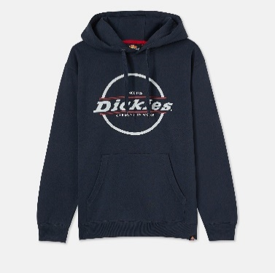
Sweatshirt TOWSON GRAPH HOODIE | DK0A4XTZNV01 |  | 5053823465599 | Navy / L | L | Navy | 63 | 65 | 4,095.00 €
Sweatshirt TOWSON GRAPH HOODIE | DK0A4XTZNV01 |  | 5053823465582 | Navy / M | M | Navy | 58 | 65 | 3,770.00 €
Sweatshirt TOWSON GRAPH HOODIE | DK0A4XTZNV01 |  | 5053823465575 | Navy / S | S | Navy | 0 | 65 | 0.00 €
Sweatshirt TOWSON GRAPH HOODIE | DK0A4XTZNV01 |  | 5053823465605 | Navy / XL | XL | Navy | 15 | 65 | 975.00 €
Sweatshirt TOWSON GRAPH HOODIE | DK0A4XTZNV01 |  | 5053823465629 | Navy / XXL | XXL | Navy | 0 | 65 | 0.00 €

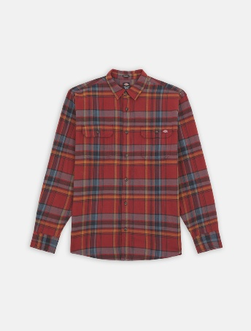
Hemden FLEX FLANNEL L/S SHIRT | DK0A4XU6G931 |  | 0196520109788 | Fired Brick Mulitplaid / L | L | Fired Brick Mulitplaid | 0 | 55 | 0.00 €
Hemden FLEX FLANNEL L/S SHIRT | DK0A4XU6G931 |  | 0196520109795 | Fired Brick Mulitplaid / M | M | Fired Brick Mulitplaid | 4 | 55 | 220.00 €
Hemden FLEX FLANNEL L/S SHIRT | DK0A4XU6G931 |  | 0196520109801 | Fired Brick Mulitplaid / S | S | Fired Brick Mulitplaid | 0 | 55 | 0.00 €
Hemden FLEX FLANNEL L/S SHIRT | DK0A4XU6G931 |  | 0196520109818 | Fired Brick Mulitplaid / XL | XL | Fired Brick Mulitplaid | 0 | 55 | 0.00 €
Hemden FLEX FLANNEL L/S SHIRT | DK0A4XU6G931 |  | 0196520109825 | Fired Brick Mulitplaid / XXL | XXL | Fired Brick Mulitplaid | 12 | 55 | 660.00 €

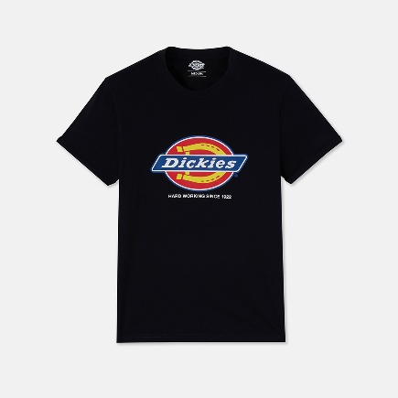
T-Shirt DENISON T-SHIRT | DK0A4XUDBLK1 |  | 5053823234386 | Black / L | L | Black | 35 | 29 | 1,015.00 €
T-Shirt DENISON T-SHIRT | DK0A4XUDBLK1 |  | 5053823234379 | Black / M | M | Black | 65 | 29 | 1,885.00 €
T-Shirt DENISON T-SHIRT | DK0A4XUDBLK1 |  | 5053823234362 | Black / S | S | Black | 15 | 29 | 435.00 €
T-Shirt DENISON T-SHIRT | DK0A4XUDBLK1 |  | 5053823234393 | Black / XL | XL | Black | 0 | 29 | 0.00 €

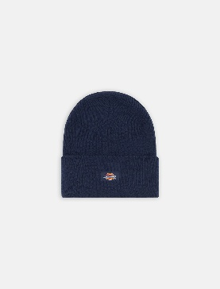
Mützen ACRYLIC CUFFED BEANIE | DK0A4Y63B291 |  | 0196246480826 | Ink Navy / One Size | One Size | Ink Navy | 181 | 19 | 3,439.00 €

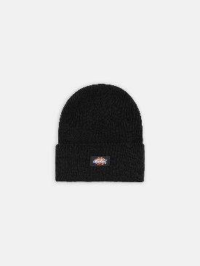
Mützen ACRYLIC CUFFED BEANIE | DK0A4Y63BLK1 |  | 0196246480819 | Black / One Size | One Size | Black | 17 | 19 | 323.00 €

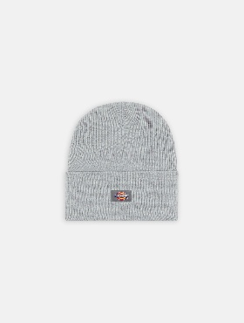
Mützen ACRYLIC CUFFED BEANIE | DK0A4Y63HG01 |  | 0196246480802 | Heather Grey / One Size | One Size | Heather Grey | 390 | 19 | 7,410.00 €

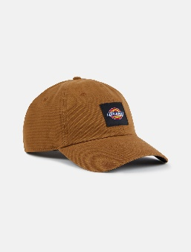
Mützen DICKIES WASHED CANVAS CAP | DK0A4Y65BD01 |  | 0196246480758 | Brown Duck / One Size | One Size | Brown Duck | 37 | 19 | 703.00 €

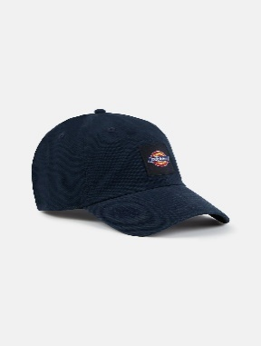
Mützen DICKIES WASHED CANVAS CAP | DK0A4Y65DNX1 |  | 0196246480734 | Dark Navy / One Size | One Size | Dark Navy | 145 | 19 | 2,755.00 €

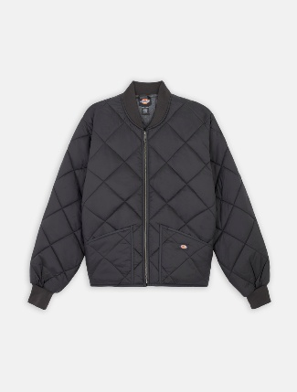
Jacken DIAMOND QUILTED JACKET | DK0A4YKSBLK1 |  | 0607645056609 | Black / L | L | Black | 0 | 69 | 0.00 €
Jacken DIAMOND QUILTED JACKET | DK0A4YKSBLK1 |  | 0607645056593 | Black / M | M | Black | 0 | 69 | 0.00 €
Jacken DIAMOND QUILTED JACKET | DK0A4YKSBLK1 |  | 0607645056616 | Black / XL | XL | Black | 0 | 69 | 0.00 €
Jacken DIAMOND QUILTED JACKET | DK0A4YKSBLK1 |  | 0607645056623 | Black / XXL | XXL | Black | 10 | 69 | 690.00 €

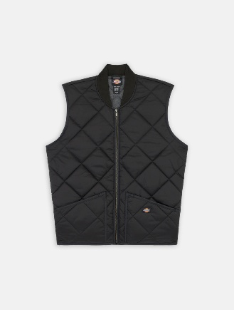
Jacken DIAMOND QUILTED VEST | DK0A4YKVBLK1 |  | 0196009852433 | Black / L | L | Black | 0 | 60 | 0.00 €
Jacken DIAMOND QUILTED VEST | DK0A4YKVBLK1 |  | 0196009852402 | Black / M | M | Black | 0 | 60 | 0.00 €
Jacken DIAMOND QUILTED VEST | DK0A4YKVBLK1 |  | 0196009852310 | Black / XL | XL | Black | 0 | 60 | 0.00 €
Jacken DIAMOND QUILTED VEST | DK0A4YKVBLK1 |  | 0196009852334 | Black / XXL | XXL | Black | 1 | 60 | 60.00 €

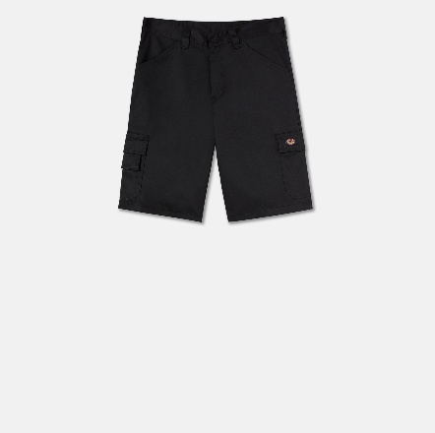
Shorts EVERYDAY SHORTS | DK0A867PBLK1 |  | 0195441980889 | Black / 30 | 30 | Black | 0 | 29 | 0.00 €
Shorts EVERYDAY SHORTS | DK0A867PBLK1 |  | 0195441981541 | Black / 32 | 32 | Black | 0 | 29 | 0.00 €
Shorts EVERYDAY SHORTS | DK0A867PBLK1 |  | 0195441982128 | Black / 33 | 33 | Black | 0 | 29 | 0.00 €
Shorts EVERYDAY SHORTS | DK0A867PBLK1 |  | 0195441982586 | Black / 34 | 34 | Black | 0 | 29 | 0.00 €
Shorts EVERYDAY SHORTS | DK0A867PBLK1 |  | 0195441983064 | Black / 36 | 36 | Black | 0 | 29 | 0.00 €
Shorts EVERYDAY SHORTS | DK0A867PBLK1 |  | 0195441983552 | Black / 38 | 38 | Black | 1 | 29 | 29.00 €
Shorts EVERYDAY SHORTS | DK0A867PBLK1 |  | 0195441983996 | Black / 40 | 40 | Black | 2 | 29 | 58.00 €


Shorts EVERYDAY SHORTS | DK0A867PK161 |  | 0195441981367 | Slate Grey Black / 32 | 32 | Slate Grey Black | 38 | 29 | 1,102.00 €

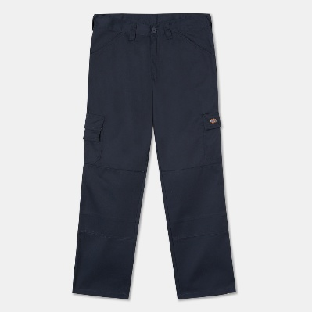
Hosen EVERYDAY TROUSERS | DK0A867Q0DN1 |  | 0195441995562 | Dark Navy / 32x32 | 32x32 | Dark Navy | 0 | 35 | 0.00 €
Hosen EVERYDAY TROUSERS | DK0A867Q0DN1 |  | 0195441996071 | Dark Navy / 32x34 | 32x34 | Dark Navy | 4 | 35 | 140.00 €
Hosen EVERYDAY TROUSERS | DK0A867Q0DN1 |  | 0195441995616 | Dark Navy / 33x32 | 33x32 | Dark Navy | 4 | 35 | 140.00 €
Hosen EVERYDAY TROUSERS | DK0A867Q0DN1 |  | 0195441996118 | Dark Navy / 33x34 | 33x34 | Dark Navy | 0 | 35 | 0.00 €
Hosen EVERYDAY TROUSERS | DK0A867Q0DN1 |  | 0195441995661 | Dark Navy / 34x32 | 34x32 | Dark Navy | 0 | 35 | 0.00 €
Hosen EVERYDAY TROUSERS | DK0A867Q0DN1 |  | 0195441996156 | Dark Navy / 34x34 | 34x34 | Dark Navy | 0 | 35 | 0.00 €
Hosen EVERYDAY TROUSERS | DK0A867Q0DN1 |  | 0195441995425 | Dark Navy / 36x32 | 36x32 | Dark Navy | 0 | 35 | 0.00 €
Hosen EVERYDAY TROUSERS | DK0A867Q0DN1 |  | 0195441996170 | Dark Navy / 36x34 | 36x34 | Dark Navy | 0 | 35 | 0.00 €
Hosen EVERYDAY TROUSERS | DK0A867Q0DN1 |  | 0195441995463 | Dark Navy / 38x32 | 38x32 | Dark Navy | 0 | 35 | 0.00 €
Hosen EVERYDAY TROUSERS | DK0A867Q0DN1 |  | 0195441996194 | Dark Navy / 38x34 | 38x34 | Dark Navy | 0 | 35 | 0.00 €
Hosen EVERYDAY TROUSERS | DK0A867Q0DN1 |  | 0195441995500 | Dark Navy / 40x32 | 40x32 | Dark Navy | 5 | 35 | 175.00 €
 |  |  |  |  |  |  |  |  | 0.00 €
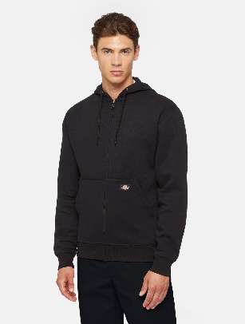
Sweatshirt MWG FUL ZIP FLC HOD REG BLACK | DK0A4XTOBLK1 |  | 0889440608980 | Black / L | L | Black | 30 | 60 | 1,800.00 €
Sweatshirt MWG FUL ZIP FLC HOD REG BLACK | DK0A4XTOBLK1 |  | 0889440609000 | Black / M | M | Black | 19 | 60 | 1,140.00 €
Sweatshirt MWG FUL ZIP FLC HOD REG BLACK | DK0A4XTOBLK1 |  | 0889440609024 | Black / XL | XL | Black | 26 | 60 | 1,560.00 €
Sweatshirt MWG FUL ZIP FLC HOD REG BLACK | DK0A4XTOBLK1 |  | 0889440609048 | Black / XXL | XXL | Black | 21 | 60 | 1,260.00 €

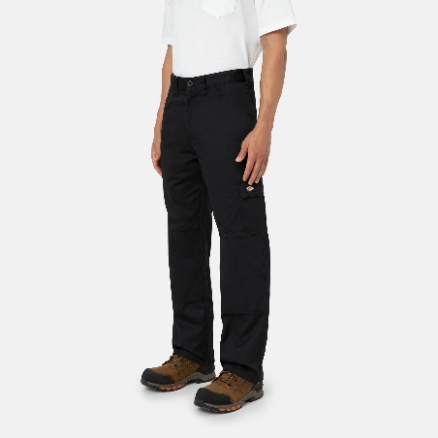
Hosen EVERYDAY TROUSERS | DK0A867QBLK1 |  | 0195441987840 | Black / 32x32 | 32x32 | Black | 0 | 35 | 0.00 €
Hosen EVERYDAY TROUSERS | DK0A867QBLK1 |  | 0195441992554 | Black / 32x34 | 32x34 | Black | 0 | 35 | 0.00 €
Hosen EVERYDAY TROUSERS | DK0A867QBLK1 |  | 0195441988229 | Black / 33x32 | 33x32 | Black | 0 | 35 | 0.00 €
Hosen EVERYDAY TROUSERS | DK0A867QBLK1 |  | 0195441992691 | Black / 33x34 | 33x34 | Black | 0 | 35 | 0.00 €
Hosen EVERYDAY TROUSERS | DK0A867QBLK1 |  | 0195441988458 | Black / 34x32 | 34x32 | Black | 0 | 35 | 0.00 €
Hosen EVERYDAY TROUSERS | DK0A867QBLK1 |  | 0195441992820 | Black / 34x34 | 34x34 | Black | 0 | 35 | 0.00 €
Hosen EVERYDAY TROUSERS | DK0A867QBLK1 |  | 0195441988694 | Black / 36x32 | 36x32 | Black | 0 | 35 | 0.00 €
Hosen EVERYDAY TROUSERS | DK0A867QBLK1 |  | 0195441991892 | Black / 36x34 | 36x34 | Black | 0 | 35 | 0.00 €
Hosen EVERYDAY TROUSERS | DK0A867QBLK1 |  | 0195441989363 | Black / 38x32 | 38x32 | Black | 0 | 35 | 0.00 €
Hosen EVERYDAY TROUSERS | DK0A867QBLK1 |  | 0195441992097 | Black / 38x34 | 38x34 | Black | 1 | 35 | 35.00 €

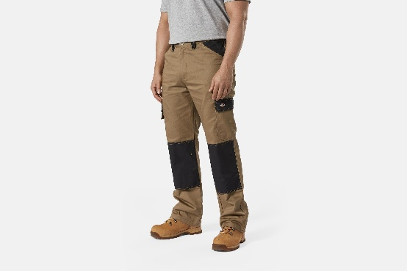
Hosen EVERYDAY TROUSERS | DK0A867QK151 |  | 0195441987567 | Ant Penny Black / 32x32 | 32x32 | Ant Penny Black | 0 | 35 | 0.00 €
Hosen EVERYDAY TROUSERS | DK0A867QK151 |  | 0195441991380 | Ant Penny Black / 32x34 | 32x34 | Ant Penny Black | 0 | 35 | 0.00 €
Hosen EVERYDAY TROUSERS | DK0A867QK151 |  | 0195441987871 | Ant Penny Black / 33x32 | 33x32 | Ant Penny Black | 0 | 35 | 0.00 €
Hosen EVERYDAY TROUSERS | DK0A867QK151 |  | 0195441991601 | Ant Penny Black / 33x34 | 33x34 | Ant Penny Black | 0 | 35 | 0.00 €
Hosen EVERYDAY TROUSERS | DK0A867QK151 |  | 0195441988083 | Ant Penny Black / 34x32 | 34x32 | Ant Penny Black | 0 | 35 | 0.00 €
Hosen EVERYDAY TROUSERS | DK0A867QK151 |  | 0195441991823 | Ant Penny Black / 34x34 | 34x34 | Ant Penny Black | 0 | 35 | 0.00 €
Hosen EVERYDAY TROUSERS | DK0A867QK151 |  | 0195441988304 | Ant Penny Black / 36x32 | 36x32 | Ant Penny Black | 0 | 35 | 0.00 €
Hosen EVERYDAY TROUSERS | DK0A867QK151 |  | 0195441992035 | Ant Penny Black / 36x34 | 36x34 | Ant Penny Black | 0 | 35 | 0.00 €
Hosen EVERYDAY TROUSERS | DK0A867QK151 |  | 0195441988540 | Ant Penny Black / 38x32 | 38x32 | Ant Penny Black | 0 | 35 | 0.00 €
Hosen EVERYDAY TROUSERS | DK0A867QK151 |  | 0195441992219 | Ant Penny Black / 38x34 | 38x34 | Ant Penny Black | 0 | 35 | 0.00 €
Hosen EVERYDAY TROUSERS | DK0A867QK151 |  | 0195441988779 | Ant Penny Black / 40x32 | 40x32 | Ant Penny Black | 0 | 35 | 0.00 €
Hosen EVERYDAY TROUSERS | DK0A867QK151 |  | 0195441992394 | Ant Penny Black / 40x34 | 40x34 | Ant Penny Black | 6 | 35 | 210.00 €
Hosen EVERYDAY TROUSERS | DK0A867QK151 |  | 0195441989356 | Ant Penny Black / 42x32 | 42x32 | Ant Penny Black | 0 | 35 | 0.00 €
Hosen EVERYDAY TROUSERS | DK0A867QK151 |  | 0195441989585 | Ant Penny Black / 44x32 | 44x32 | Ant Penny Black | 0 | 35 | 0.00 €

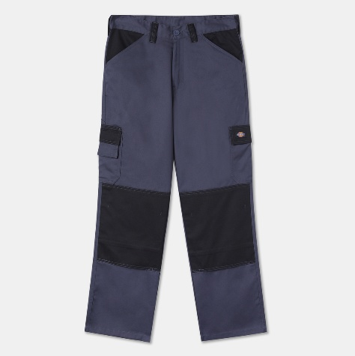
Hosen EVERYDAY TROUSERS | DK0A867QK161 |  | 0195441995241 | Slate Grey Black / 32x32 | 32x32 | Slate Grey Black | 0 | 35 | 0.00 €
Hosen EVERYDAY TROUSERS | DK0A867QK161 |  | 0195441995296 | Slate Grey Black / 33x32 | 33x32 | Slate Grey Black | 0 | 35 | 0.00 €
Hosen EVERYDAY TROUSERS | DK0A867QK161 |  | 0195441995326 | Slate Grey Black / 34x32 | 34x32 | Slate Grey Black | 1 | 35 | 35.00 €
Hosen EVERYDAY TROUSERS | DK0A867QK161 |  | 0195441995883 | Slate Grey Black / 34x34 | 34x34 | Slate Grey Black | 6 | 35 | 210.00 €
Hosen EVERYDAY TROUSERS | DK0A867QK161 |  | 0195441995371 | Slate Grey Black / 36x32 | 36x32 | Slate Grey Black | 2 | 35 | 70.00 €
Hosen EVERYDAY TROUSERS | DK0A867QK161 |  | 0195441995920 | Slate Grey Black / 36x34 | 36x34 | Slate Grey Black | 2 | 35 | 70.00 €
Hosen EVERYDAY TROUSERS | DK0A867QK161 |  | 0195441995401 | Slate Grey Black / 38x32 | 38x32 | Slate Grey Black | 7 | 35 | 245.00 €
Hosen EVERYDAY TROUSERS | DK0A867QK161 |  | 0195441995944 | Slate Grey Black / 38x34 | 38x34 | Slate Grey Black | 0 | 35 | 0.00 €
Hosen EVERYDAY TROUSERS | DK0A867QK161 |  | 0195441995456 | Slate Grey Black / 40x32 | 40x32 | Slate Grey Black | 1 | 35 | 35.00 €
Hosen EVERYDAY TROUSERS | DK0A867QK161 |  | 0195441995982 | Slate Grey Black / 40x34 | 40x34 | Slate Grey Black | 10 | 35 | 350.00 €
Hosen EVERYDAY TROUSERS | DK0A867QK161 |  | 0195441995494 | Slate Grey Black / 42x32 | 42x32 | Slate Grey Black | 2 | 35 | 70.00 €

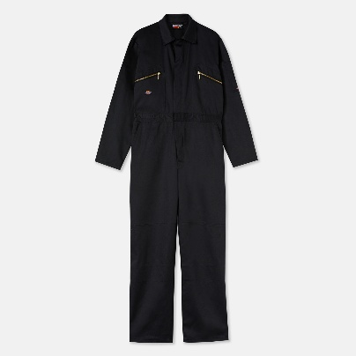
Coverall REDHAWK COVERALL | DK0A867TBLK1 |  | 0196009916050 | Black / L | L | Black | 0 | 60 | 0.00 €
Coverall REDHAWK COVERALL | DK0A867TBLK1 |  | 0196009916005 | Black / M | M | Black | 1 | 60 | 60.00 €
Coverall REDHAWK COVERALL | DK0A867TBLK1 |  | 0196009915978 | Black / S | S | Black | 0 | 60 | 0.00 €
Coverall REDHAWK COVERALL | DK0A867TBLK1 |  | 0196009916081 | Black / XL | XL | Black | 2 | 60 | 120.00 €
Coverall REDHAWK COVERALL | DK0A867TBLK1 |  | 0196009915916 | Black / XXL | XXL | Black | 0 | 60 | 0.00 €

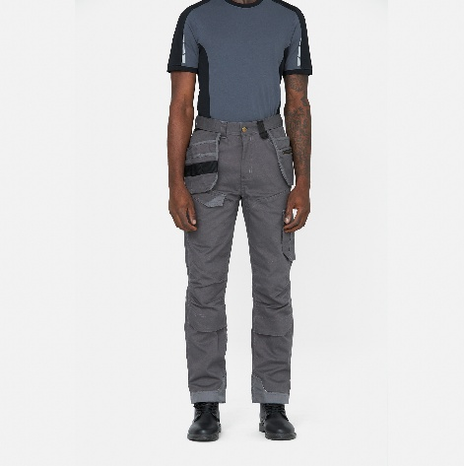
Hosen REDHAWK PRO TROUSERS | DK0A867VT2G1 |  | 0195441983842 | Thunder Grey / 30x30 | 30x30 | Thunder Grey | 8 | 50 | 400.00 €
Hosen REDHAWK PRO TROUSERS | DK0A867VT2G1 |  | 0195441984559 | Thunder Grey / 32x30 | 32x30 | Thunder Grey | 14 | 50 | 700.00 €
Hosen REDHAWK PRO TROUSERS | DK0A867VT2G1 |  | 0195441988489 | Thunder Grey / 32x32 | 32x32 | Thunder Grey | 26 | 50 | 1,300.00 €
Hosen REDHAWK PRO TROUSERS | DK0A867VT2G1 |  | 0195441985341 | Thunder Grey / 34x30 | 34x30 | Thunder Grey | 10 | 50 | 500.00 €
Hosen REDHAWK PRO TROUSERS | DK0A867VT2G1 |  | 0195441988939 | Thunder Grey / 34x32 | 34x32 | Thunder Grey | 25 | 50 | 1,250.00 €
Hosen REDHAWK PRO TROUSERS | DK0A867VT2G1 |  | 0195441988984 | Thunder Grey / 36x32 | 36x32 | Thunder Grey | 17 | 50 | 850.00 €
Hosen REDHAWK PRO TROUSERS | DK0A867VT2G1 |  | 0195441989172 | Thunder Grey / 38x32 | 38x32 | Thunder Grey | 9 | 50 | 450.00 €
Hosen REDHAWK PRO TROUSERS | DK0A867VT2G1 |  | 0195441989622 | Thunder Grey / 42x32 | 42x32 | Thunder Grey | 9 | 50 | 450.00 €

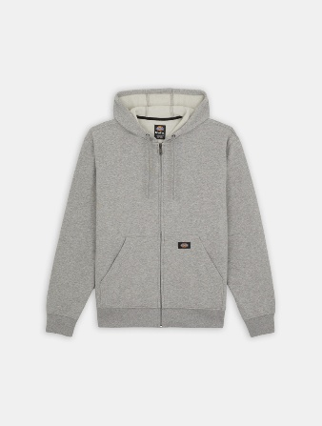
Sweatshirt MWG FUL ZIP FLC HOD REG GREY | DK0A4XTOHG01 |  | 0889440609246 | Grey / L | L | Grey | 28 | 60 | 1,680.00 €
Sweatshirt MWG FUL ZIP FLC HOD REG GREY | DK0A4XTOHG01 |  | 0889440609260 | Grey / M | M | Grey | 15 | 60 | 900.00 €
Sweatshirt MWG FUL ZIP FLC HOD REG GREY | DK0A4XTOHG01 |  | 0889440609284 | Grey / XL | XL | Grey | 27 | 60 | 1,620.00 €
Sweatshirt MWG FUL ZIP FLC HOD REG GREY | DK0A4XTOHG01 |  | 0889440609307 | Grey / XXL | XXL | Grey | 27 | 60 | 1,620.00 €

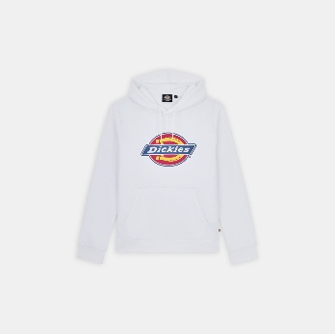
Sweatshirt ICON LOGO HOODIE | DK0A4XCBWHX1 |  | 0194904326189 | White / L | L | White | 11 | 69 | 759.00 €
Sweatshirt ICON LOGO HOODIE | DK0A4XCBWHX1 |  | 0194904326134 | White / M | M | White | 12 | 69 | 828.00 €
Sweatshirt ICON LOGO HOODIE | DK0A4XCBWHX1 |  | 0194904326103 | White / S | S | White | 2 | 69 | 138.00 €
Sweatshirt ICON LOGO HOODIE | DK0A4XCBWHX1 |  | 0194904326240 | White / XL | XL | White | 3 | 69 | 207.00 €
Sweatshirt ICON LOGO HOODIE | DK0A4XCBWHX1 |  | 0194904326325 | White / XXL | XXL | White | 3 | 69 | 207.00 €

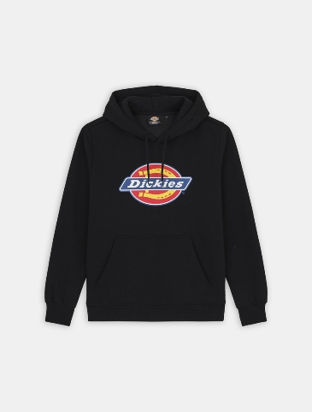
Sweatshirt ICON LOGO HOODIE | DK0A4XCBBLK1 |  | 0194904325571 | Black / L | L | Black | 50 | 69 | 3,450.00 €
Sweatshirt ICON LOGO HOODIE | DK0A4XCBBLK1 |  | 0194904325502 | Black / M | M | Black | 62 | 69 | 4,278.00 €
Sweatshirt ICON LOGO HOODIE | DK0A4XCBBLK1 |  | 0194904325472 | Black / S | S | Black | 22 | 69 | 1,518.00 €
Sweatshirt ICON LOGO HOODIE | DK0A4XCBBLK1 |  | 0194904325632 | Black / XL | XL | Black | 32 | 69 | 2,208.00 €
Sweatshirt ICON LOGO HOODIE | DK0A4XCBBLK1 |  | 0194904325700 | Black / XXL | XXL | Black | 8 | 69 | 552.00 €

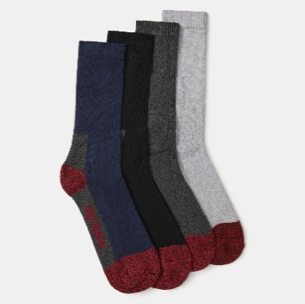
Socken CUSHION CREW SOCKS | DK0A4XUVAS01 |  | 0196012313945 | ASSORTED COLOUR / 43-46 | 43-46 | ASSORTED COLOUR | 42 | 19 | 798.00 €
Socken CUSHION CREW SOCKS | DK0A4XUVAS01 |  | 0196012313761 | ASSORTED COLOUR / 35-38 | 35-38 | ASSORTED COLOUR | 138 | 19 | 2,622.00 €
Socken CUSHION CREW SOCKS | DK0A4XUVAS01 |  | 0196012313860 | ASSORTED COLOUR / 39-42 | 39-42 | ASSORTED COLOUR | 61 | 19 | 1,159.00 €

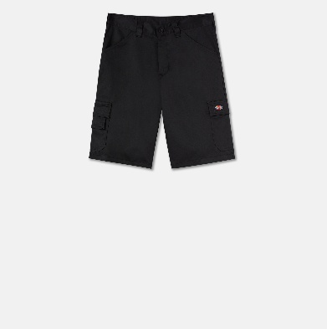
Shorts EVERYDAY SHORTS | DK0A867P0DN1 |  | 0195441980353 | Dark Navy / 30 | 30 | Dark Navy | 8 | 29 | 232.00 €
Shorts EVERYDAY SHORTS | DK0A867P0DN1 |  | 0195441980650 | Dark Navy / 32 | 32 | Dark Navy | 2 | 29 | 58.00 €
Shorts EVERYDAY SHORTS | DK0A867P0DN1 |  | 0195441981510 | Dark Navy / 33 | 33 | Dark Navy | 3 | 29 | 87.00 €
Shorts EVERYDAY SHORTS | DK0A867P0DN1 |  | 0195441981824 | Dark Navy / 34 | 34 | Dark Navy | 1 | 29 | 29.00 €
Shorts EVERYDAY SHORTS | DK0A867P0DN1 |  | 0195441982289 | Dark Navy / 36 | 36 | Dark Navy | 0 | 29 | 0.00 €
Shorts EVERYDAY SHORTS | DK0A867P0DN1 |  | 0195441982692 | Dark Navy / 38 | 38 | Dark Navy | 0 | 29 | 0.00 €
Shorts EVERYDAY SHORTS | DK0A867P0DN1 |  | 0195441983026 | Dark Navy / 40 | 40 | Dark Navy | 0 | 29 | 0.00 €

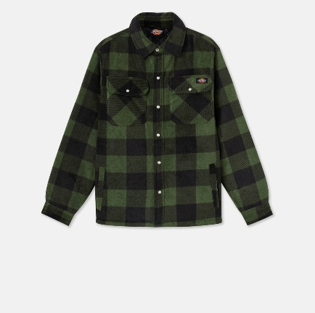
Hemden PORTLAND SHIRT | DK0A4XTAGR01 |  | 5025540443488 | Green / 3XL | 3XL | Green | 0 | 69 | 0.00 €
Hemden PORTLAND SHIRT | DK0A4XTAGR01 |  | 5059129200070 | Green / L | L | Green | 0 | 69 | 0.00 €
Hemden PORTLAND SHIRT | DK0A4XTAGR01 |  | 5059129200063 | Green / M | M | Green | 1 | 69 | 69.00 €
Hemden PORTLAND SHIRT | DK0A4XTAGR01 |  | 5059129200056 | Green / S | S | Green | 7 | 69 | 483.00 €
Hemden PORTLAND SHIRT | DK0A4XTAGR01 |  | 5059129200087 | Green / XL | XL | Green | 0 | 69 | 0.00 €
Hemden PORTLAND SHIRT | DK0A4XTAGR01 |  | 0193391914411 | Green / XS | XS | Green | 10 | 69 | 690.00 €
Hemden PORTLAND SHIRT | DK0A4XTAGR01 |  | 5059129200094 | Green / XXL | XXL | Green | 0 | 69 | 0.00 €

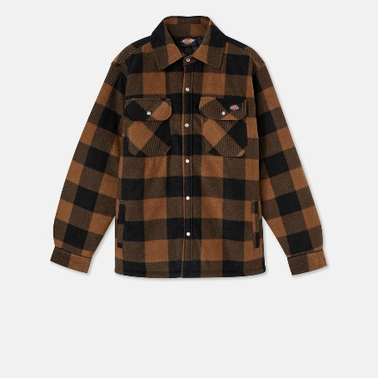
Hemden PORTLAND SHIRT | DK0A4XTAKHK1 |  | 5053823173227 | Khaki / 3XL | 3XL | Khaki | 0 | 69 | 0.00 €
Hemden PORTLAND SHIRT | DK0A4XTAKHK1 |  | 5053823173197 | Khaki / L | L | Khaki | 0 | 69 | 0.00 €
Hemden PORTLAND SHIRT | DK0A4XTAKHK1 |  | 5053823173180 | Khaki / M | M | Khaki | 5 | 69 | 345.00 €
Hemden PORTLAND SHIRT | DK0A4XTAKHK1 |  | 5053823173173 | Khaki / S | S | Khaki | 22 | 69 | 1,518.00 €
Hemden PORTLAND SHIRT | DK0A4XTAKHK1 |  | 5053823173203 | Khaki / XL | XL | Khaki | 0 | 69 | 0.00 €
Hemden PORTLAND SHIRT | DK0A4XTAKHK1 |  | 0193391916835 | Khaki / XS | XS | Khaki | 5 | 69 | 345.00 €
Hemden PORTLAND SHIRT | DK0A4XTAKHK1 |  | 5053823173210 | Khaki / XXL | XXL | Khaki | 0 | 69 | 0.00 €


T-Shirt SS POCKET TEE RELAXED | DK0A4XUCWHX1 |  | 0029311043995 | White / 3XL | 3XL | White | 1 | 29 | 29.00 €
T-Shirt SS POCKET TEE RELAXED | DK0A4XUCWHX1 |  | 0029311043964 | White / L | L | White | 0 | 29 | 0.00 €
T-Shirt SS POCKET TEE RELAXED | DK0A4XUCWHX1 |  | 0029311043957 | White / M | M | White | 0 | 29 | 0.00 €
T-Shirt SS POCKET TEE RELAXED | DK0A4XUCWHX1 |  | 0889440631735 | White / S | S | White | 4 | 29 | 116.00 €
T-Shirt SS POCKET TEE RELAXED | DK0A4XUCWHX1 |  | 0029311043971 | White / XL | XL | White | 0 | 29 | 0.00 €
T-Shirt SS POCKET TEE RELAXED | DK0A4XUCWHX1 |  | 0029311043988 | White / XXL | XXL | White | 0 | 29 | 0.00 €


T-Shirt SS POCKET TEE RELAXED | DK0A4XUCBLK1 |  | 0029311043483 | Black / 3XL | 3XL | Black | 0 | 29 | 0.00 €
T-Shirt SS POCKET TEE RELAXED | DK0A4XUCBLK1 |  | 0029311043452 | Black / L | L | Black | 1 | 29 | 29.00 €
T-Shirt SS POCKET TEE RELAXED | DK0A4XUCBLK1 |  | 0029311043445 | Black / M | M | Black | 20 | 29 | 580.00 €
T-Shirt SS POCKET TEE RELAXED | DK0A4XUCBLK1 |  | 0889440631704 | Black / S | S | Black | 23 | 29 | 667.00 €
T-Shirt SS POCKET TEE RELAXED | DK0A4XUCBLK1 |  | 0029311043469 | Black / XL | XL | Black | 0 | 29 | 0.00 €
T-Shirt SS POCKET TEE RELAXED | DK0A4XUCBLK1 |  | 0029311043476 | Black / XXL | XXL | Black | 13 | 29 | 377.00 €


Jacken SHERPA LINED DUCK VEST | DK0A4YN4RBK1 |  | 0196520115819 | Rinsed Black / 3XL | 3XL | Rinsed Black | 5 | 109 | 545.00 €
Jacken SHERPA LINED DUCK VEST | DK0A4YN4RBK1 |  | 0196520115734 | Rinsed Black / L | L | Rinsed Black | 0 | 109 | 0.00 €
Jacken SHERPA LINED DUCK VEST | DK0A4YN4RBK1 |  | 0196520115758 | Rinsed Black / M | M | Rinsed Black | 15 | 109 | 1,635.00 €
Jacken SHERPA LINED DUCK VEST | DK0A4YN4RBK1 |  | 0196520115765 | Rinsed Black / S | S | Rinsed Black | 17 | 109 | 1,853.00 €
Jacken SHERPA LINED DUCK VEST | DK0A4YN4RBK1 |  | 0196520115772 | Rinsed Black / XL | XL | Rinsed Black | 3 | 109 | 327.00 €
Jacken SHERPA LINED DUCK VEST | DK0A4YN4RBK1 |  | 0196520115802 | Rinsed Black / XXL | XXL | Rinsed Black | 2 | 109 | 218.00 €


Jacken SHERPA LINED HOODED DUCK JACKET | DK0A4YN6BD01 |  | 0196520116267 | Brown Duck / 3XL | 3XL | Brown Duck | 9 | 119 | 1,071.00 €
Jacken SHERPA LINED HOODED DUCK JACKET | DK0A4YN6BD01 |  | 0196520116182 | Brown Duck / L | L | Brown Duck | 18 | 119 | 2,142.00 €
Jacken SHERPA LINED HOODED DUCK JACKET | DK0A4YN6BD01 |  | 0196520116205 | Brown Duck / M | M | Brown Duck | 27 | 119 | 3,213.00 €
Jacken SHERPA LINED HOODED DUCK JACKET | DK0A4YN6BD01 |  | 0196520116212 | Brown Duck / S | S | Brown Duck | 8 | 119 | 952.00 €
Jacken SHERPA LINED HOODED DUCK JACKET | DK0A4YN6BD01 |  | 0196520116229 | Brown Duck / XL | XL | Brown Duck | 14 | 119 | 1,666.00 €
Jacken SHERPA LINED HOODED DUCK JACKET | DK0A4YN6BD01 |  | 0196520116250 | Brown Duck / XXL | XXL | Brown Duck | 18 | 119 | 2,142.00 €


Jacken SHERPA LINED HOODED DUCK JACKET | DK0A4YN6RBK1 |  | 0196520116359 | Rinsed Black / 3XL | 3XL | Rinsed Black | 9 | 119 | 1,071.00 €
Jacken SHERPA LINED HOODED DUCK JACKET | DK0A4YN6RBK1 |  | 0196520116274 | Rinsed Black / L | L | Rinsed Black | 35 | 119 | 4,165.00 €
Jacken SHERPA LINED HOODED DUCK JACKET | DK0A4YN6RBK1 |  | 0196520116298 | Rinsed Black / M | M | Rinsed Black | 34 | 119 | 4,046.00 €
Jacken SHERPA LINED HOODED DUCK JACKET | DK0A4YN6RBK1 |  | 0196520116304 | Rinsed Black / S | S | Rinsed Black | 26 | 119 | 3,094.00 €
Jacken SHERPA LINED HOODED DUCK JACKET | DK0A4YN6RBK1 |  | 0196520116311 | Rinsed Black / XL | XL | Rinsed Black | 13 | 119 | 1,547.00 €
Jacken SHERPA LINED HOODED DUCK JACKET | DK0A4YN6RBK1 |  | 0196520116342 | Rinsed Black / XXL | XXL | Rinsed Black | 20 | 119 | 2,380.00 €


Hemden PORTLAND SHIRT | DK0A4XTARBX1 |  | 5053823169381 | Royal Blue / 3XL | 3XL | Royal Blue | 0 | 69 | 0.00 €
Hemden PORTLAND SHIRT | DK0A4XTARBX1 |  | 5053823169350 | Royal Blue / L | L | Royal Blue | 15 | 69 | 1,035.00 €
Hemden PORTLAND SHIRT | DK0A4XTARBX1 |  | 5053823169343 | Royal Blue / M | M | Royal Blue | 14 | 69 | 966.00 €
Hemden PORTLAND SHIRT | DK0A4XTARBX1 |  | 5053823169336 | Royal Blue / S | S | Royal Blue | 24 | 69 | 1,656.00 €
Hemden PORTLAND SHIRT | DK0A4XTARBX1 |  | 5053823169367 | Royal Blue / XL | XL | Royal Blue | 11 | 69 | 759.00 €
Hemden PORTLAND SHIRT | DK0A4XTARBX1 |  | 5053823169374 | Royal Blue / XXL | XXL | Royal Blue | 3 | 69 | 207.00 €


Jacken FULL ZIP SOFTSHELL JACKET | DK0A4YN9BLK1 |  | 0196520118001 | Black / 3XL | 3XL | Black | 7 | 69 | 483.00 €
Jacken FULL ZIP SOFTSHELL JACKET | DK0A4YN9BLK1 |  | 0196520117929 | Black / L | L | Black | 53 | 69 | 3,657.00 €
Jacken FULL ZIP SOFTSHELL JACKET | DK0A4YN9BLK1 |  | 0196520117943 | Black / M | M | Black | 21 | 69 | 1,449.00 €
Jacken FULL ZIP SOFTSHELL JACKET | DK0A4YN9BLK1 |  | 0196520117967 | Black / XL | XL | Black | 15 | 69 | 1,035.00 €
Jacken FULL ZIP SOFTSHELL JACKET | DK0A4YN9BLK1 |  | 0196520117998 | Black / XXL | XXL | Black | 17 | 69 | 1,173.00 €

Mützen TWILL DAD HAT | DK0A4YNNBLK1 |  | 0196520121728 | Black / One Size | One Size | Black | 128 | 25 | 3,200.00 €


Mützen TWILL DAD HAT | DK0A4YNNGA01 |  | 0196520121742 | Graphite / One Size | One Size | Graphite | 92 | 25 | 2,300.00 €


Jacken WATERPROOF RAIN JACKET | DK0A4YWZBLK1 |  | 0196520191776 | Black / L | L | Black | 51 | 79 | 4,029.00 €
Jacken WATERPROOF RAIN JACKET | DK0A4YWZBLK1 |  | 0196520191790 | Black / M | M | Black | 47 | 79 | 3,713.00 €
Jacken WATERPROOF RAIN JACKET | DK0A4YWZBLK1 |  | 0196520191806 | Black / S | S | Black | 20 | 79 | 1,580.00 €
Jacken WATERPROOF RAIN JACKET | DK0A4YWZBLK1 |  | 0196520191813 | Black / XL | XL | Black | 37 | 79 | 2,923.00 €
Jacken WATERPROOF RAIN JACKET | DK0A4YWZBLK1 |  | 0196520191844 | Black / XXL | XXL | Black | 16 | 79 | 1,264.00 €


Hosen M DICKIES EVERYDAY TROUSERS mit Holster | DK0A4Z43BLK1 |  | 0195439951570 | Schwarz / 30x30 | 30x30 | Schwarz | 10 | 45 | 450.00 €
Hosen M DICKIES EVERYDAY TROUSERS mit Holster | DK0A4Z43BLK1 |  | 0195439952317 | Schwarz / 30x32 | 30x32 | Schwarz | 25 | 45 | 1,125.00 €
Hosen M DICKIES EVERYDAY TROUSERS mit Holster | DK0A4Z43BLK1 |  | 0195439952683 | Schwarz / 30x34 | 30x34 | Schwarz | 20 | 45 | 900.00 €
Hosen M DICKIES EVERYDAY TROUSERS mit Holster | DK0A4Z43BLK1 |  | 0195439951631 | Schwarz / 32x30 | 32x30 | Schwarz | 10 | 45 | 450.00 €
Hosen M DICKIES EVERYDAY TROUSERS mit Holster | DK0A4Z43BLK1 |  | 0195439952362 | Schwarz / 32x32 | 32x32 | Schwarz | 36 | 45 | 1,620.00 €
Hosen M DICKIES EVERYDAY TROUSERS mit Holster | DK0A4Z43BLK1 |  | 0195439952935 | Schwarz / 32x34 | 32x34 | Schwarz | 20 | 45 | 900.00 €
Hosen M DICKIES EVERYDAY TROUSERS mit Holster | DK0A4Z43BLK1 |  | 0196010913765 | Schwarz / 33x32 | 33x32 | Schwarz | 10 | 45 | 450.00 €
Hosen M DICKIES EVERYDAY TROUSERS mit Holster | DK0A4Z43BLK1 |  | 0195439952430 | Schwarz / 34x32 | 34x32 | Schwarz | 30 | 45 | 1,350.00 €
Hosen M DICKIES EVERYDAY TROUSERS mit Holster | DK0A4Z43BLK1 |  | 0195439952980 | Schwarz / 34x34 | 34x34 | Schwarz | 29 | 45 | 1,305.00 €
Hosen M DICKIES EVERYDAY TROUSERS mit Holster | DK0A4Z43BLK1 |  | 0195439952478 | Schwarz / 36x32 | 36x32 | Schwarz | 9 | 45 | 405.00 €
Hosen M DICKIES EVERYDAY TROUSERS mit Holster | DK0A4Z43BLK1 |  | 0195439952508 | Schwarz / 38x32 | 38x32 | Schwarz | 0 | 45 | 0.00 €


Hosen REDHAWK PRO TROUSERS | DK0A867VBLK1 |  | 0195441993636 | Schwarz / 28x30 | 28x30 | Schwarz | 1 | 50 | 50.00 €
Hosen REDHAWK PRO TROUSERS | DK0A867VBLK1 |  | 0195441993674 | Schwarz / 30x30 | 30x30 | Schwarz | 18 | 50 | 900.00 €
Hosen REDHAWK PRO TROUSERS | DK0A867VBLK1 |  | 0195441993971 | Schwarz / 30x32 | 30x32 | Schwarz | 5 | 50 | 250.00 €
Hosen REDHAWK PRO TROUSERS | DK0A867VBLK1 |  | 0195441993711 | Schwarz / 32x30 | 32x30 | Schwarz | 21 | 50 | 1,050.00 €
Hosen REDHAWK PRO TROUSERS | DK0A867VBLK1 |  | 0195441994015 | Schwarz / 32x32 | 32x32 | Schwarz | 25 | 50 | 1,250.00 €
Hosen REDHAWK PRO TROUSERS | DK0A867VBLK1 |  | 0195441994039 | Schwarz / 33x32 | 33x32 | Schwarz | 9 | 50 | 450.00 €
Hosen REDHAWK PRO TROUSERS | DK0A867VBLK1 |  | 0195441993759 | Schwarz / 34x30 | 34x30 | Schwarz | 18 | 50 | 900.00 €
Hosen REDHAWK PRO TROUSERS | DK0A867VBLK1 |  | 0195441994053 | Schwarz / 34x32 | 34x32 | Schwarz | 26 | 50 | 1,300.00 €
Hosen REDHAWK PRO TROUSERS | DK0A867VBLK1 |  | 0195441994077 | Schwarz / 36x32 | 36x32 | Schwarz | 15 | 50 | 750.00 €
Hosen REDHAWK PRO TROUSERS | DK0A867VBLK1 |  | 0195441994091 | Schwarz / 38x32 | 38x32 | Schwarz | 7 | 50 | 350.00 €
Hosen REDHAWK PRO TROUSERS | DK0A867VBLK1 |  | 0195441993834 | Schwarz / 42x30 | 42x30 | Schwarz | 8 | 50 | 400.00 €
Hosen REDHAWK PRO TROUSERS | DK0A867VBLK1 |  | 0195441994138 | Schwarz / 42x32 | 42x32 | Schwarz | 3 | 50 | 150.00 €


Hosen M DICKIES EVERYDAY TROUSERS mit Holster | DK0A4Z430DN1 |  | 0195439952300 | Dark Navy / 30x32 | 30x32 | Dark Navy | 8 | 45 | 360.00 €
Hosen M DICKIES EVERYDAY TROUSERS mit Holster | DK0A4Z430DN1 |  | 0195439952379 | Dark Navy / 32x32 | 32x32 | Dark Navy | 9 | 45 | 405.00 €
Hosen M DICKIES EVERYDAY TROUSERS mit Holster | DK0A4Z430DN1 |  | 0196010913345 | Dark Navy / 33x32 | 33x32 | Dark Navy | 9 | 45 | 405.00 €
Hosen M DICKIES EVERYDAY TROUSERS mit Holster | DK0A4Z430DN1 |  | 0195439952454 | Dark Navy / 34x32 | 34x32 | Dark Navy | 9 | 45 | 405.00 €
Hosen M DICKIES EVERYDAY TROUSERS mit Holster | DK0A4Z430DN1 |  | 0195439952584 | Dark Navy / 36x32 | 36x32 | Dark Navy | 9 | 45 | 405.00 €


Hosen ACTION FLEX TROUSERS | DK0A867MT2G1 |  | 0195441986805 | Thunder Grey / 30x32 | 30x32 | Thunder Grey | 9 | 45 | 405.00 €
Hosen ACTION FLEX TROUSERS | DK0A867MT2G1 |  | 0195441987260 | Thunder Grey / 32x32 | 32x32 | Thunder Grey | 8 | 45 | 360.00 €
Hosen ACTION FLEX TROUSERS | DK0A867MT2G1 |  | 0195441987598 | Thunder Grey / 33x32 | 33x32 | Thunder Grey | 5 | 45 | 225.00 €
Hosen ACTION FLEX TROUSERS | DK0A867MT2G1 |  | 0195441987826 | Thunder Grey / 34x32 | 34x32 | Thunder Grey | 9 | 45 | 405.00 €
Hosen ACTION FLEX TROUSERS | DK0A867MT2G1 |  | 0195441987987 | Thunder Grey / 36x32 | 36x32 | Thunder Grey | 10 | 45 | 450.00 €
Hosen ACTION FLEX TROUSERS | DK0A867MT2G1 |  | 0195441988212 | Thunder Grey / 38x32 | 38x32 | Thunder Grey | 8 | 45 | 360.00 €
Hosen ACTION FLEX TROUSERS | DK0A867MT2G1 |  | 0195441988441 | Thunder Grey / 40x32 | 40x32 | Thunder Grey | 3 | 45 | 135.00 €
Hosen ACTION FLEX TROUSERS | DK0A867MT2G1 |  | 0195441988687 | Thunder Grey / 42x32 | 42x32 | Thunder Grey | 3 | 45 | 135.00 €


Hosen ACTION FLEX TROUSERS | DK0A867MBLK1 |  | 0195441986300 | Black / 30x32 | 30x32 | Black | 3 | 45 | 135.00 €
Hosen ACTION FLEX TROUSERS | DK0A867MBLK1 |  | 0195441986751 | Black / 32x32 | 32x32 | Black | 0 | 45 | 0.00 €
Hosen ACTION FLEX TROUSERS | DK0A867MBLK1 |  | 0195441989899 | Black / 32x34 | 32x34 | Black | 8 | 45 | 360.00 €
Hosen ACTION FLEX TROUSERS | DK0A867MBLK1 |  | 0195441987093 | Black / 33x32 | 33x32 | Black | 0 | 45 | 0.00 €
Hosen ACTION FLEX TROUSERS | DK0A867MBLK1 |  | 0195441987338 | Black / 34x32 | 34x32 | Black | 0 | 45 | 0.00 €
Hosen ACTION FLEX TROUSERS | DK0A867MBLK1 |  | 0195441990376 | Black / 34x34 | 34x34 | Black | 7 | 45 | 315.00 €
Hosen ACTION FLEX TROUSERS | DK0A867MBLK1 |  | 0195441987543 | Black / 36x32 | 36x32 | Black | 4 | 45 | 180.00 €
Hosen ACTION FLEX TROUSERS | DK0A867MBLK1 |  | 0195441987789 | Black / 38x32 | 38x32 | Black | 1 | 45 | 45.00 €
Hosen ACTION FLEX TROUSERS | DK0A867MBLK1 |  | 0195441990833 | Black / 38x34 | 38x34 | Black | 5 | 45 | 225.00 €
Hosen ACTION FLEX TROUSERS | DK0A867MBLK1 |  | 0195441988052 | Black / 40x32 | 40x32 | Black | 9 | 45 | 405.00 €
Hosen ACTION FLEX TROUSERS | DK0A867MBLK1 |  | 0195441988274 | Black / 42x32 | 42x32 | Black | 5 | 45 | 225.00 €
Hosen ACTION FLEX TROUSERS | DK0A867MBLK1 |  | 0195441988519 | Black / 44x32 | 44x32 | Black | 2 | 45 | 90.00 €


Hosen ACTION FLEX TROUSERS | DK0A867M0DN1 |  | 0195441986065 | Dark Navy / 30x32 | 30x32 | Dark Navy | 8 | 45 | 360.00 €
Hosen ACTION FLEX TROUSERS | DK0A867M0DN1 |  | 0195441987321 | Dark Navy / 32x32 | 32x32 | Dark Navy | 5 | 45 | 225.00 €
Hosen ACTION FLEX TROUSERS | DK0A867M0DN1 |  | 0195441987925 | Dark Navy / 34x32 | 34x32 | Dark Navy | 8 | 45 | 360.00 €
Hosen ACTION FLEX TROUSERS | DK0A867M0DN1 |  | 0195441988151 | Dark Navy / 36x32 | 36x32 | Dark Navy | 8 | 45 | 360.00 €
Hosen ACTION FLEX TROUSERS | DK0A867M0DN1 |  | 0195441988380 | Dark Navy / 38x32 | 38x32 | Dark Navy | 10 | 45 | 450.00 €
Hosen ACTION FLEX TROUSERS | DK0A867M0DN1 |  | 0195441988625 | Dark Navy / 40x32 | 40x32 | Dark Navy | 3 | 45 | 135.00 €


Shorts REDHAWK PRO SHORTS | DK0A867UBLK1 |  | 0195441980568 | Black / 30 | 30 | Black | 13 | 40 | 520.00 €
Shorts REDHAWK PRO SHORTS | DK0A867UBLK1 |  | 0195441981145 | Black / 32 | 32 | Black | 13 | 40 | 520.00 €
Shorts REDHAWK PRO SHORTS | DK0A867UBLK1 |  | 0195441981787 | Black / 33 | 33 | Black | 12 | 40 | 480.00 €
Shorts REDHAWK PRO SHORTS | DK0A867UBLK1 |  | 0195441982111 | Black / 34 | 34 | Black | 15 | 40 | 600.00 €
Shorts REDHAWK PRO SHORTS | DK0A867UBLK1 |  | 0195441982517 | Black / 36 | 36 | Black | 9 | 40 | 360.00 €
Shorts REDHAWK PRO SHORTS | DK0A867UBLK1 |  | 0195441982944 | Black / 38 | 38 | Black | 11 | 40 | 440.00 €
Shorts REDHAWK PRO SHORTS | DK0A867UBLK1 |  | 0195441983422 | Black / 40 | 40 | Black | 6 | 40 | 240.00 €
Shorts REDHAWK PRO SHORTS | DK0A867UBLK1 |  | 0195441983866 | Black / 42 | 42 | Black | 0 | 40 | 0.00 €


T-Shirt LURAY POCKET TEE SS WHITE | DK0A4YFCWHX1 |  | 0196010857434 | White / L | L | White | 0 | 25 | 0.00 €
T-Shirt LURAY POCKET TEE SS WHITE | DK0A4YFCWHX1 |  | 0196010857243 | White / M | M | White | 0 | 25 | 0.00 €
T-Shirt LURAY POCKET TEE SS WHITE | DK0A4YFCWHX1 |  | 0196010857076 | White / S | S | White | 3 | 25 | 75.00 €
T-Shirt LURAY POCKET TEE SS WHITE | DK0A4YFCWHX1 |  | 0196010857618 | White / XL | XL | White | 0 | 25 | 0.00 €


Coverall REDHAWK COVERALL | DK0A867T0DN1 |  | 0196009916357 | Dark Navy / 3XL | 3XL | Dark Navy | 5 | 60 | 300.00 €
Coverall REDHAWK COVERALL | DK0A867T0DN1 |  | 0196009916647 | Dark Navy / L | L | Dark Navy | 10 | 60 | 600.00 €
Coverall REDHAWK COVERALL | DK0A867T0DN1 |  | 0196009916548 | Dark Navy / M | M | Dark Navy | 11 | 60 | 660.00 €
Coverall REDHAWK COVERALL | DK0A867T0DN1 |  | 0196009916456 | Dark Navy / S | S | Dark Navy | 18 | 60 | 1,080.00 €
Coverall REDHAWK COVERALL | DK0A867T0DN1 |  | 0196009916722 | Dark Navy / XL | XL | Dark Navy | 7 | 60 | 420.00 €
Coverall REDHAWK COVERALL | DK0A867T0DN1 |  | 0196009916265 | Dark Navy / XXL | XXL | Dark Navy | 3 | 60 | 180.00 €


Jacken OAKPORT COACH | DK0A4XEWCH01 |  | 0196010849606 | Charcoal Grey / L | L | Charcoal Grey | 10 | 69 | 690.00 €
Jacken OAKPORT COACH | DK0A4XEWCH01 |  | 0196010849439 | Charcoal Grey / M | M | Charcoal Grey | 10 | 69 | 690.00 €
Jacken OAKPORT COACH | DK0A4XEWCH01 |  | 0196010849378 | Charcoal Grey / S | S | Charcoal Grey | 5 | 69 | 345.00 €
Jacken OAKPORT COACH | DK0A4XEWCH01 |  | 0196010849729 | Charcoal Grey / XL | XL | Charcoal Grey | 16 | 69 | 1,104.00 €
Jacken OAKPORT COACH | DK0A4XEWCH01 |  | 0196010849767 | Charcoal Grey / XXL | XXL | Charcoal Grey | 10 | 69 | 690.00 €


Jacken OAKPORT COACH | DK0A4XEWBLK1 |  | 0194904334528 | Black / L | L | Black | 10 | 69 | 690.00 €
Jacken OAKPORT COACH | DK0A4XEWBLK1 |  | 0194904334276 | Black / M | M | Black | 10 | 69 | 690.00 €
Jacken OAKPORT COACH | DK0A4XEWBLK1 |  | 0194904334023 | Black / S | S | Black | 5 | 69 | 345.00 €
Jacken OAKPORT COACH | DK0A4XEWBLK1 |  | 0194904335037 | Black / XL | XL | Black | 13 | 69 | 897.00 €
Jacken OAKPORT COACH | DK0A4XEWBLK1 |  | 0194904335150 | Black / XXL | XXL | Black | 10 | 69 | 690.00 €


Hemden FLEECE HOODED FLANNEL SHIRT JACK RELAXED | DK0A4XT80DN1 |  | 0198265551068 | Dark Navy / L | L | Dark Navy | 5 | 74 | 370.00 €
Hemden FLEECE HOODED FLANNEL SHIRT JACK RELAXED | DK0A4XT80DN1 |  | 0198265551013 | Dark Navy / M | M | Dark Navy | 5 | 74 | 370.00 €
Hemden FLEECE HOODED FLANNEL SHIRT JACK RELAXED | DK0A4XT80DN1 |  | 0198265551105 | Dark Navy / XL | XL | Dark Navy | 5 | 74 | 370.00 €



Hemden FLEECE HOODED FLANNEL SHIRT JACK RELAXED | DK0A4XT80CH1 |  | 0198265551181 | Charcoal / L | L | Charcoal | 0 | 74 | 0.00 €
Hemden FLEECE HOODED FLANNEL SHIRT JACK RELAXED | DK0A4XT80CH1 |  | 0198265551136 | Charcoal / M | M | Charcoal | 2 | 74 | 148.00 €
Hemden FLEECE HOODED FLANNEL SHIRT JACK RELAXED | DK0A4XT80CH1 |  | 0198265550948 | Charcoal / XL | XL | Charcoal | 0 | 74 | 0.00 €

